MENU


 |  | T.S. CONTAINER LINES HA NOI COMPANY LIMITED

 |  | ROOM 520, 5TH FLOOR, TD PLAZA BUSINESS CENTRE,
 |  | LOT 20, LE HONG PHONG STR., HAI PHONG CITY, VIET NAM
 |  | TEL: 02253.686.985 FAX: 0225.3652557
 |  | Email: sales.tslhph@tslines.com.vn
 |  | Website: Http:w.tslines.com/en/

 |  | UPDATE: | 2023-05-11

 |  | Instruction (Hướng dẫn)
 |  | GENERAL INFORMATION

Please kindly choose the final destination as below tables: | To check Vsl Flag, Call Sign, IMO… |  |  | To issue Bill of Lading
(Vui lòng lựa chọn cảng đích theo bảng sau) | Click here |  |  | Click here

HAI PHONG - JAPAN | TSL's code for AFR filing is 13DF |  |  | Kindly send SI to tslhph-exdoc@tslines.com.vn & cus.tslhph@tslines.com.vn
HAI PHONG - HONGKONG
HAI PHONG - CHINA
HAI PHONG - TAIWAN
HAI PHONG - PHILIPPINE
HAI PHONG - MALAYSIA | To check your shipment movement |  |  | To check deadline: Send SI & Amend B/L to Japan; Shanghai
HAI PHONG - THAILAND | Click here
HAI PHONG - INDIA - PAKISTAN |  |  |  | Click here
HAI PHONG - NEW ZEALAND | Then kindly input your B/L No or Container no.
HAI PHONG - AUSTRALIA

HAI PHONG - EUROPE
HAI PHONG - UK
HAI PHONG - US EAST COAST

GENERAL SERVICES
JTK2/ JTK: | To check Agent information |  |  | Regarding your free time request
HAIPHONG - SHEKOU - HONGKONG - TOKYO - YOKOHAMA - NAGOYA - OSAKA - KOBE | Click here |  |  | Click here
 |  |  |  | Kindly send the clearly Dem & Det free time request after receving the B/L No, send to cus.tslhph@tslines.com.vn

NV2:
HAIPHONG - HONGKONG - NINGBO - SHANGHAI |  |  |  | The dead time: Before vessel’s departure

LOCAL CHARGES
 |  | T.S. CONTAINER LINES HA NOI COMPANY LIMITED Address: Room 520 TD Plaza Business Centre, Lot 20, Le Hong Phong Str, Hai Phong City, Viet Nam Tel: 02253.686.985 Fax: 0225.3652557 E-mail: sales.tslhph@tslines.com.vn Website: Http:w.tslines.com/EN/

BACK TO MENU
TARIFF OF OUTBOUND LOCAL CHARGES
 | UPDATE: | 2023-05-11
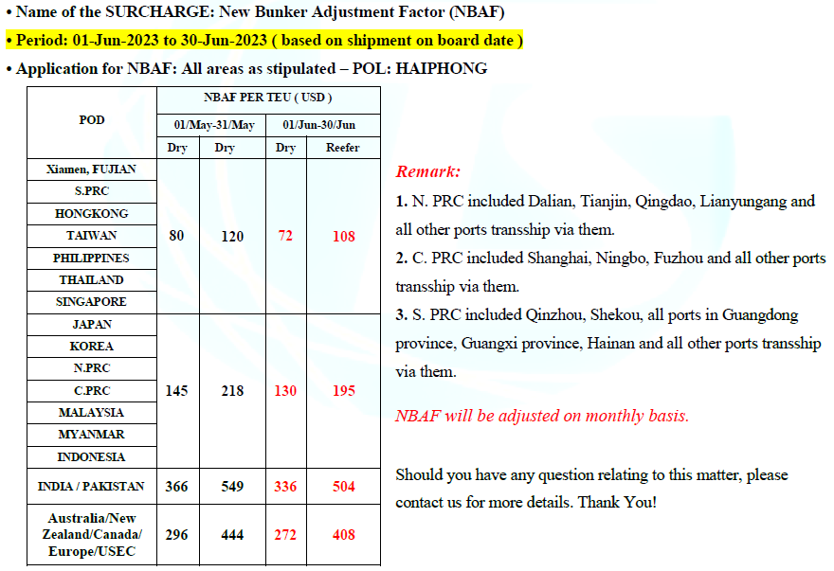
 | Currency | (excluded VAT) |  | W.E.F
DOC FEE (per SET) | VND | 855,000
TLX FEE (per SET) | VND | 627,000
AFR/AMS FEE (per SET) | VND | 627,000
SEAL FEE (per UNIT) | VND | 199,500
ACI FEE (per SET) | USD | 45 |  | Oct 01, 2021
 |  | (excluded VAT) per CONT |  | W.E.F
THC (20GP) | VND | 2,971,600 |  | Jan 10, 2019
THC (40GP & 40HQ) | VND | 4,501,100 |  | Jan 10, 2019
THC (20RF) | VND | 3,730,650 |  | Jan 10, 2019
THC (20’OOG) | VND | 4,096,400 |  | Jan 10, 2019
THC (40RH) | VND | 5,820,650 |  | Jan 10, 2019
THC (40’OOG) | VND | 6,395,400 |  | Jan 10, 2019

OUTBOUND DEM DET CHARGE
 |  | (excluded VAT) |  | W.E.F
 |  | 20' | 40'
DEM (dry) 07 days free time |  |  |  | Jun 01, 2020
DEM (dry) 08th~15th day | VND | 450,000 | 900,000 | Jun 01, 2020
DEM (dry) 16th~ | VND | 550,000 | 1,100,000 | Jun 01, 2020

DET (dry) 5 days free time |  |  |  | Jun 01, 2020
DET (dry) 6th~10th day | VND | 520,000 | 1,040,000 | Jun 01, 2020
DET (dry) 11th~ | VND | 620,000 | 1,240,000 | Jun 01, 2020

DEM (reefer & special) 5 days free time
DEM (reefer & special) 6th~9th day | VND | 1,045,000 | 1,672,000 | Jun 01, 2020
DEM (reefer & special) 10th day~ | VND | 1,672,000 | 2,194,500 | Jun 01, 2020

DET (reefer & special) 5 days free time |  |  |  | Jun 01, 2020
DET (reefer & special) 6th~9th day | VND | 1,045,000 | 1,672,000 | Jun 01, 2020
DET (reefer & special) 10th day~ | VND | 1,672,000 | 2,194,500 | Jun 01, 2020

OUTBOUND STORAGE CHARGE
 |  | (excluded VAT) |  | W.E.F
 |  | 20' | 40'
Storage (dry) 10 days free |  |  |  | Jun 01,2020
Storage (dry) 11th~ | VND | 80,000 | 160,000 | Jun 01,2020

Storage (reefer) 5 days free |  |  |  | Jun 01,2020
Storage (reefer) 6th~ | VND | 80,000 | 160,000 | Jun 01,2020

Storage (DG & special) 5 days free |  |  |  | Jun 01,2020
Storage (DG & special) 6th~9th | VND | 130,000 | 260,000 | Jun 01,2020
Storage (DG & special) 10th~ | VND | 260,000 | 520,000 | Jun 01,2020

OUTBOUND POWER CHARGE
 |  | (excluded VAT) |  | W.E.F
 |  | 20' | 40'
POWER Charge 3 days free time | VND
POWER Charge 4th day~ | VND | 907,500 | 1,705,000 | 2020-03-01

OUTBOUND LATE PAYMENT SURCHARGE
 |  | (excluded VAT) per week |  | W.E.F
Late payment Surcharge (LPS) FREE 14 days | VND |  |  | Jan 15,2019
Late payment Surcharge (LPS) 1st week after freetime | VND | 500,000 |  | Jan 15,2019
Late payment Surcharge (LPS) Thereafter | VND | 1,000,000 |  | Jan 15,2019

 |  |  | 5,384,211

